Sheet1
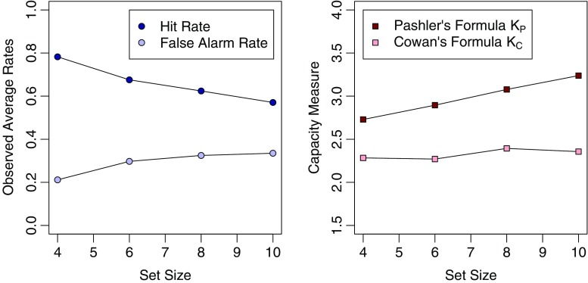
CDA condition description:
"m" key indicates a change. "z" key indicates a no-change.
If the trial is a "change" trial (m key), then Hit Rate will be to press "m".
If the trial is a "change" trial (m key), then Miss will be to press "z".
If the trial is a "no change" trial (z key), then False Alarm will be to press "m".
If the trial is a "no change" trial (z key), then Correction Rejection will be to press "z".
Pashler's K is calculated in CDA taks as = #of array to be remembered * (HitRate-FalseAlarm)/(1-FalseAlarm)
It is a better indicator of the whole-visual field array to be remembered which is the case in CDA.
Cowan's K is calculated in CDA task as = #of array to be remembered * (HitRate-FalseAlarm)
CDA
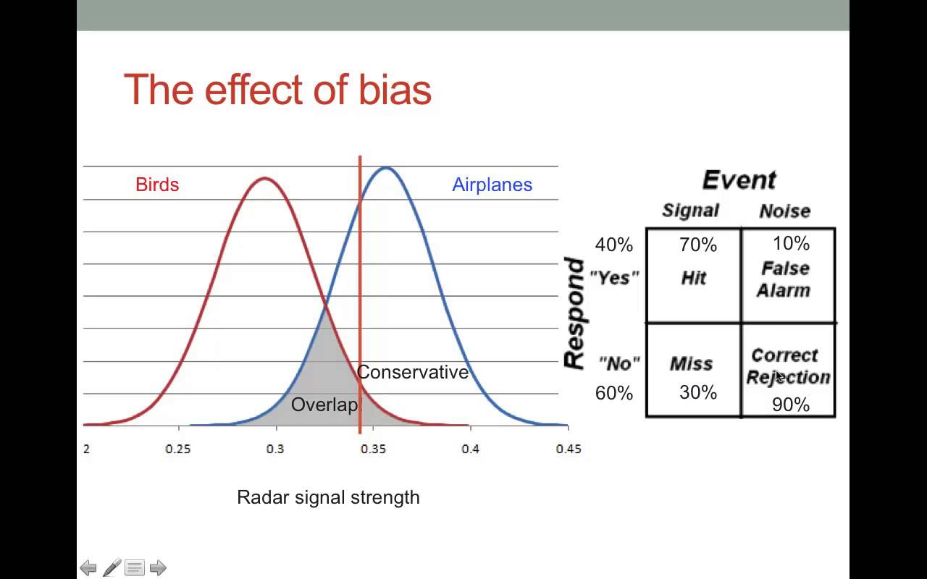

m = change!
z = the same (no change)!
False alarm - indicating a change when there was no change in fact.
Missing - indicating "no change" when there was a change.
Cowan's K = (hit rate + correct rejection rate − 1) × N
(hit rate - (1 - correct rejection rate)) X N
(N = memory set size). Memory set size should be determined by the actual stimulus display.
The formula is based on the assumption that K out of N items can be held in memory, and participants perform correctly on K/N of the trials. However, the formula also takes into account that some of the accurate responses are based on guessing.
https://www.ncbi.nlm.nih.gov/pmc/articles/PMC2757282/
Check - for sure - 50% always change trials?
Check - Rouder 2012 formula
Working memory capacity was estimated using Pashler’s (1988) formula: K = S × (H − FA)/(1 − FA), where K is the estimated number of items maintained in WM, S is the set-size of the memory array, H is the hit-rate, and FA is the false alarm rate.
Pashler's K = S X (H - FA) / (1-FA)
 |  | In this Model, False Alarm works as a guess indicating that items are not stored in the memory, so, its probability should be removed from Hit Rate.
 |  | Well, this is not quite true. FA is there to account for guessing, but how it does it requires more reading.
 |  | hit rates and miss can go together in a same trial.
 |  | falase alarm and correct rejection go together the same way.
Filtering cost is calculated based on the following conditions:
The differences btw NT1 and NTND for NEUTRAL Filt Cost (NT-NTND)
The differences btw NT1 and NTFD for THREAT Filt Cost (NT-NTFD)
Our data is screwed up. We cann't really compare them because NT1 has 60 "change" trials to calcuate HR, but both NTND and NTNF have only around 30 "change" trials to calcuate HR.
My modifications:
The misses were calculated incorrectly. Recalculated based on the actual #of "change" trials rather than 60 predetermined trials as many of the conditions aren't exactly 60 trials. HR, CR, and FA are all fine.
Here is the formula how it calculates HR, FA, Miss, & CR
If trials is "change or m"--->ResAcc of 1 indicates--> HR
If trials is "change or m"--->ResAcc of 0 indicates--> Miss
If trials is "nochange or z"--->ResAcc of 1 indicates--> CR
If trials is "nochange or z"--->ResAcc of 0 indicates--> FA
Calculating HR in the sheet:
IF(C181="nochange", IF(D181=0,1,IF(D181=1,0))) ...it says
If cell C181 is a nochange trial, and if cell D181 is 0 (FA), return 1 (to counts towards HR), if is 1, return 0 which would be CR.
 |  | And, HR and CR are as a result of correct response.
 |  | But, FA and Miss are as a result of incorrect response.
Question that should be answered after the trip:
1. Proportion of change vs no change trials in the task. Dani's paper
2. Router 2011 (pshker's K). Got that one.
3. See excel sheet 148.
4. Are Cowan's and Pashler's K compatable? Rounter 2011 said NO.
5. Set size of CDA should be 2 or 4? how about the NT1.
6. Vogel's paper 2005 no supplemantary data.
7. RT should be based on the correct trials or all trials?
Hanjoo: We can't trust any step of preprocessing to get the WM K and RT.
Maybe we need to run the cleaning once again? There are 4 steps to get each condition's K score as well as RT. Any little mistake can change everything.
Maybe we need to use only one macro, and do all the processing in one excel sheet, instead of doing separately.
SHOW Hanjoo how it is calculated from the scratch.
Asking CTSI excel sheet of questionnaires.

 | In Cowan's model, the capacity does not change as the set size increases…which make sense.

